Sheet1
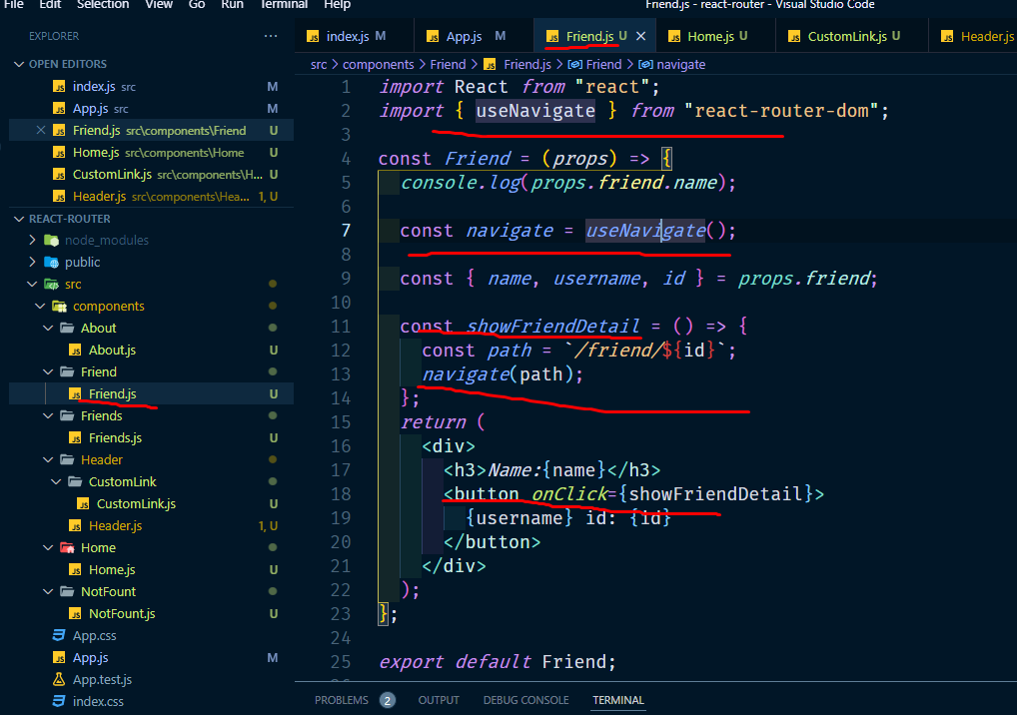
onClick hander add for link | by navigate

